Hoja1
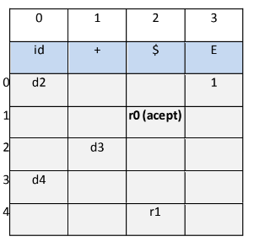
Ejercicio 1
hola+mundo

Pila | entrada | salida
$0 | hola+mundo | d2
$0hola2 | +mundo | d3
$0hola2+3 | mundo | d4
$0hola2+3mundo4 | $ | r1 | E-->id+id
$0E1 | $ | r0(acept)

Ejercicio 2
a+b+c+d+e+f

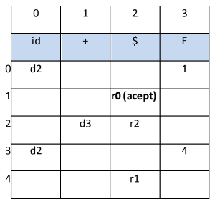
Pila | entrada | salida
$0 | a+b+c+d+e+f | d2
$0a2 | +b+c+d+e+f | d3
$0a2+3 | b+c+d+e+f | d2
$0a2+3b2 | +c+d+e+f | d3
$0a2+3b2+3 | c+d+e+f | d2
$0a2+3b2+3c2 | +d+e+f | d3
$0a2+3b2+3c2+3 | d+e+f | d2
$0a2+3b2+3c2+3d2 | +e+f | d3
$0a2+3b2+3c2+3d2+3 | e+f | d2
$0a2+3b2+3c2+3d2+3e2 | +f | d3
$0a2+3b2+3c2+3d2+3e2+3 | f | d2
$0a2+3b2+3c2+3d2+3e2+3f2 | $ | r2 | E-->id
$0a2+3b2+3c2+3d2+3e2+3E4 | $ | r1 | E-->id+E
$0a2+3b2+3c2+3d2+3E4 | $ | r1 | E-->id+E
$0a2+3b2+3c2+3E4 | $ | r1 | E-->id+E
$0a2+3b2+3E4 | $ | r1 | E-->id+E
$0a2+3E4 | $ | r1 | E-->id+E
$0E1 | $ | r0(acept)

